Sheet1
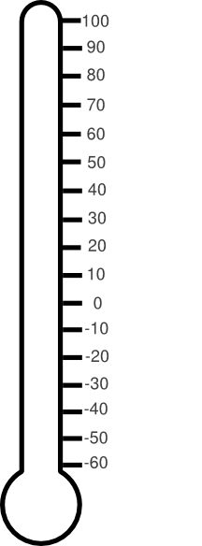
voted hot | voted cold | percentage
80 | 20 | 80%

nummber of likes | remeaning | percentage
7543 | 3456 | 69%

Sheet2

charity

donations | target | percentage
80,000.00 | 100,000.00 | 80%

